图1-3-3 绘图软件经典配色
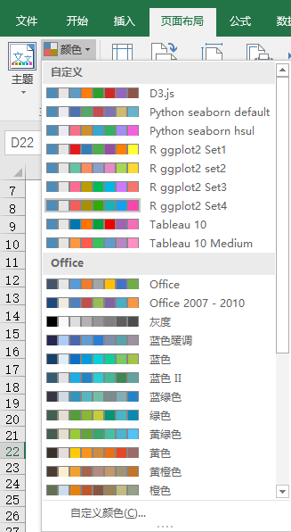
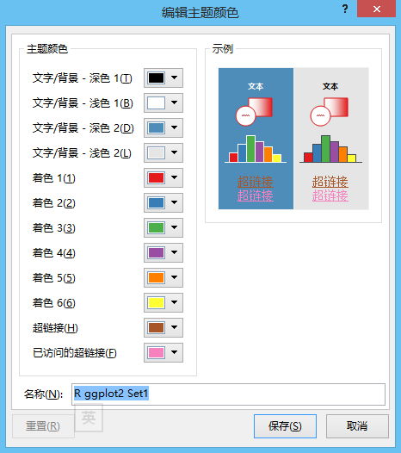
表1-3-3 常用数据可视化软件中部分配色方案的RGB值

R ggplot2 Set1
RGB | 228,26,28 | 55,126,184 | 77,175,74 | 152,78,163 | 255,127,0 | 255,255,51 | 166,86,40 | 247,129,191 | 153,153,153
R ggplot2 Set2
RGB | 102,194,165 | 252,141,98 | 141,160,203 | 231,138,195 | 166,216,84 | 255,217,47 | 229,196,148 | 179,179,179
R ggplot2 Set3
RGB | 255,108,145 | 188,157,0 | 0,187,87 | 0,184,229 | 205,121,255
Tableau 10 Medium
RGB | 96,157,202 | 255,150,65 | 56,194,93 | 255,91,78 | 184,135,195 | 182,115,101 | 254,144,194 | 164,160,155 | 210,204,90
Tableau 10
RGB | 0,118,174 | 255,116,0 | 0,161,59 | 239,0,0 | 158,99,181 | 152,82,71 | 246,110,184 | 127,124,119 | 194,189,44
Python seaborn hsul
RGB | 246,112,136 | 206,143,49 | 150,163,49 | 50,177,101 | 53,172,164 | 56,167,208 | 163,140,244 | 244,97,221
Python seaborn default
RGB | 76,114,176 | 85,168,104 | 196,78,82 | 129,114,178 | 204,185,116 | 100,181,205
D3.js
RGB | 94,156,198 | 255,125,11 | 44,160,44 | 214,39,40 | 148,103,189 | 140,86,75

散点图
x1 | Fair | x2 | Good | x3 | Very Good | x4 | Premium | x5 | Ideal
5.49 | 1808 | 6.34 | 3298 | 7.88 | 13691 | 5.83 | 2631 | 5.15 | 1746
6.32 | 2287 | 4.66 | 891 | 7.34 | 12603 | 6.37 | 4586 | 4.71 | 828
6.56 | 3403 | 5.79 | 3148 | 5.49 | 1932 | 7.21 | 5519 | 5.16 | 2168
5.69 | 2317 | 4.42 | 567 | 5.85 | 6834 | 6.95 | 8449 | 4.38 | 1061
4.44 | 729 | 7.06 | 11851 | 6.96 | 10202 | 6.35 | 3674 | 4.49 | 863
6 | 3205 | 6.41 | 3584 | 4 | 548 | 4.73 | 855 | 5.24 | 1607
 | Fair |  | Good |  | Very Good |  | Premium |  | Ideal
5.49 | 1808 | 6.34 | 3298 | 7.88 | 13691 | 5.83 | 2631 | 5.15 | 1746
6.32 | 2287 | 4.66 | 891 | 7.34 | 12603 | 6.37 | 4586 | 4.71 | 828
6.56 | 3403 | 5.79 | 3148 | 5.49 | 1932 | 7.21 | 5519 | 5.16 | 2168
5.69 | 2317 | 4.42 | 567 | 5.85 | 6834 | 6.95 | 8449 | 4.38 | 1061
4.44 | 729 | 7.06 | 11851 | 6.96 | 10202 | 6.35 | 3674 | 4.49 | 863
6 | 3205 | 6.41 | 3584 | 4 | 548 | 4.73 | 855 | 5.24 | 1607
4.89 | 584 | 5.13 | 1561 | 5.68 | 3113 | 6.54 | 8610 | 5.85 | 1859
7.67 | 10913 | 5.08 | 1554 | 5.79 | 2551 | 5.68 | 2572 | 5.62 | 2656
5.89 | 2458 | 4.76 | 490 | 6.26 | 4534 | 6.84 | 8602 | 4.29 | 552
6.08 | 2530 | 6.23 | 3949 | 5.14 | 872 | 4.36 | 731 | 5.22 | 1813
6.11 | 3658 | 4.3 | 816 | 4.85 | 700 | 6.13 | 4443 | 4.31 | 473
5.56 | 2550 | 7.16 | 11696 | 4.33 | 886 | 6.52 | 7862 | 5.88 | 2664
5.89 | 2458 | 5.3 | 2502 | 6.36 | 7079 | 6.61 | 4497 | 4.56 | 788
7.3 | 7727 | 4.7 | 784 | 4.62 | 757 | 4.8 | 1024 | 4.46 | 720
6.13 | 1749 | 5.4 | 1408 | 5.41 | 1566 | 5.66 | 1666 | 4.29 | 514
6.07 | 3538 | 6.36 | 8079 | 5.59 | 2905 | 7.8 | 7089 | 6.43 | 6264
6.24 | 6210 | 6.34 | 7430 | 5.83 | 3567 | 4.51 | 468 | 4.63 | 746
5.6 | 2318 | 4.46 | 522 | 5.54 | 2562 | 6.4 | 6048 | 5.7 | 1961
5.06 | 1709 | 5.98 | 3465 | 4.68 | 828 | 7.46 | 14844 | 4.53 | 851
6 | 2491 | 6.04 | 3848 | 6.42 | 4932 | 5.26 | 1349 | 5.24 | 1721
4.88 | 911 | 6.14 | 4114 | 7.16 | 8291 | 4.46 | 686 | 4.81 | 1179
6.01 | 2883 | 7.25 | 6421 | 6.29 | 3975 | 6.65 | 6713 | 4.38 | 867
5.55 | 1999 | 5.2 | 1643 | 6.79 | 5397 | 6.86 | 6121 | 6.46 | 6683
6.01 | 2368 | 5.48 | 1423 | 6.66 | 5236 | 7.53 | 10553 | 4.57 | 1001
4.87 | 1011 | 6.02 | 3303 | 6.83 | 6443 | 7.78 | 9271 | 5.71 | 3710
4.85 | 1367 | 6.84 | 6653 | 6.29 | 4234 | 6.56 | 7311 | 4.48 | 928
5.77 | 1274 | 7.38 | 12467 | 7.18 | 6763 | 8.17 | 17001 | 4.7 | 988
6.36 | 5633 | 6.4 | 7026 | 6.16 | 3967 | 4.87 | 990 | 4.82 | 1144
5.29 | 907 | 4.32 | 802 | 5.38 | 1988 | 7.69 | 9330 | 5.26 | 1916
6.12 | 3743 | 4.69 | 734 | 4.85 | 573 | 7.06 | 9541 | 5.46 | 2601
5.18 | 1114 | 4.44 | 596 | 4.31 | 544 | 6.54 | 4191 | 4.4 | 1300
6.11 | 2875 | 6.35 | 7392 | 6.37 | 8101 | 5.7 | 2930 | 4.58 | 862
6.65 | 4398 | 6.05 | 2863 | 4.33 | 561 | 6.75 | 5975 | 5.42 | 2161
6.57 | 2949 | 5.92 | 2614 | 7.4 | 6662 | 4.33 | 608 | 4.67 | 857
6 | 3205 | 6.37 | 4072 | 4.72 | 1107 | 4.51 | 798 | 4.31 | 558
5.54 | 1848 | 6.3 | 3655 | 5.37 | 1408 | 5.74 | 2352 | 4.05 | 582
4.99 | 1069 | 7.53 | 6104 | 4.17 | 646 | 5.83 | 2173 | 5.32 | 1792
6.11 | 4732 | 6.38 | 4242 | 4.73 | 920 | 7.37 | 10824 | 4.3 | 729
5.75 | 2401 | 7.23 | 9569 | 5.65 | 2055 | 6.45 | 5292 | 5.17 | 1720
5.93 | 2879 | 6.8 | 5588 | 5.95 | 3249 | 4.86 | 1040 | 6.94 | 5792
7.76 | 6503 | 5.77 | 2370 | 4.28 | 605 | 4.72 | 1026 | 4.33 | 816
6.2 | 5484 | 5.53 | 2218 | 6.12 | 3160 | 4.49 | 984 | 4.33 | 936
5.39 | 1410 | 5.82 | 3249 | 6.36 | 4588 | 4.35 | 990 | 5.81 | 3075
5.6 | 1720 | 4.9 | 1136 | 5.08 | 1031 | 6.21 | 4036 | 4.34 | 911
6.24 | 3812 | 4.33 | 591 | 4.33 | 489 | 4.54 | 854 | 7.44 | 11470
7.1 | 7928 | 6.43 | 7177 | 5.63 | 1940 | 7.45 | 11066 | 5.76 | 3257
7.24 | 6659 | 8.23 | 14285 | 4.14 | 696 | 6.41 | 4989 | 4.33 | 734
4.21 | 819 | 6.63 | 2327 | 5.84 | 3415 | 6.2 | 3949 | 6.68 | 5424
4.83 | 1127 | 6.36 | 7059 | 5.17 | 2254 | 5.18 | 1284 | 6.04 | 4372
5.02 | 1348 | 5.77 | 2606 | 5.13 | 1436 | 6.77 | 4641 | 6.46 | 5698
...
4.89 | 584 | 5.13 | 1561 | 5.68 | 3113 | 6.54 | 8610 | 5.85 | 1859
7.67 | 10913 | 5.08 | 1554 | 5.79 | 2551 | 5.68 | 2572 | 5.62 | 2656
5.89 | 2458 | 4.76 | 490 | 6.26 | 4534 | 6.84 | 8602 | 4.29 | 552
6.08 | 2530 | 6.23 | 3949 | 5.14 | 872 | 4.36 | 731 | 5.22 | 1813
6.11 | 3658 | 4.3 | 816 | 4.85 | 700 | 6.13 | 4443 | 4.31 | 473
5.56 | 2550 | 7.16 | 11696 | 4.33 | 886 | 6.52 | 7862 | 5.88 | 2664
5.89 | 2458 | 5.3 | 2502 | 6.36 | 7079 | 6.61 | 4497 | 4.56 | 788
7.3 | 7727 | 4.7 | 784 | 4.62 | 757 | 4.8 | 1024 | 4.46 | 720
6.13 | 1749 | 5.4 | 1408 | 5.41 | 1566 | 5.66 | 1666 | 4.29 | 514
6.07 | 3538 | 6.36 | 8079 | 5.59 | 2905 | 7.8 | 7089 | 6.43 | 6264
6.24 | 6210 | 6.34 | 7430 | 5.83 | 3567 | 4.51 | 468 | 4.63 | 746
5.6 | 2318 | 4.46 | 522 | 5.54 | 2562 | 6.4 | 6048 | 5.7 | 1961
5.06 | 1709 | 5.98 | 3465 | 4.68 | 828 | 7.46 | 14844 | 4.53 | 851
6 | 2491 | 6.04 | 3848 | 6.42 | 4932 | 5.26 | 1349 | 5.24 | 1721
4.88 | 911 | 6.14 | 4114 | 7.16 | 8291 | 4.46 | 686 | 4.81 | 1179
6.01 | 2883 | 7.25 | 6421 | 6.29 | 3975 | 6.65 | 6713 | 4.38 | 867
5.55 | 1999 | 5.2 | 1643 | 6.79 | 5397 | 6.86 | 6121 | 6.46 | 6683
6.01 | 2368 | 5.48 | 1423 | 6.66 | 5236 | 7.53 | 10553 | 4.57 | 1001
4.87 | 1011 | 6.02 | 3303 | 6.83 | 6443 | 7.78 | 9271 | 5.71 | 3710
4.85 | 1367 | 6.84 | 6653 | 6.29 | 4234 | 6.56 | 7311 | 4.48 | 928
5.77 | 1274 | 7.38 | 12467 | 7.18 | 6763 | 8.17 | 17001 | 4.7 | 988
6.36 | 5633 | 6.4 | 7026 | 6.16 | 3967 | 4.87 | 990 | 4.82 | 1144
5.29 | 907 | 4.32 | 802 | 5.38 | 1988 | 7.69 | 9330 | 5.26 | 1916
6.12 | 3743 | 4.69 | 734 | 4.85 | 573 | 7.06 | 9541 | 5.46 | 2601
5.18 | 1114 | 4.44 | 596 | 4.31 | 544 | 6.54 | 4191 | 4.4 | 1300
6.11 | 2875 | 6.35 | 7392 | 6.37 | 8101 | 5.7 | 2930 | 4.58 | 862
6.65 | 4398 | 6.05 | 2863 | 4.33 | 561 | 6.75 | 5975 | 5.42 | 2161
6.57 | 2949 | 5.92 | 2614 | 7.4 | 6662 | 4.33 | 608 | 4.67 | 857
6 | 3205 | 6.37 | 4072 | 4.72 | 1107 | 4.51 | 798 | 4.31 | 558
5.54 | 1848 | 6.3 | 3655 | 5.37 | 1408 | 5.74 | 2352 | 4.05 | 582
4.99 | 1069 | 7.53 | 6104 | 4.17 | 646 | 5.83 | 2173 | 5.32 | 1792
6.11 | 4732 | 6.38 | 4242 | 4.73 | 920 | 7.37 | 10824 | 4.3 | 729
5.75 | 2401 | 7.23 | 9569 | 5.65 | 2055 | 6.45 | 5292 | 5.17 | 1720
5.93 | 2879 | 6.8 | 5588 | 5.95 | 3249 | 4.86 | 1040 | 6.94 | 5792
7.76 | 6503 | 5.77 | 2370 | 4.28 | 605 | 4.72 | 1026 | 4.33 | 816
6.2 | 5484 | 5.53 | 2218 | 6.12 | 3160 | 4.49 | 984 | 4.33 | 936
5.39 | 1410 | 5.82 | 3249 | 6.36 | 4588 | 4.35 | 990 | 5.81 | 3075
5.6 | 1720 | 4.9 | 1136 | 5.08 | 1031 | 6.21 | 4036 | 4.34 | 911
6.24 | 3812 | 4.33 | 591 | 4.33 | 489 | 4.54 | 854 | 7.44 | 11470
7.1 | 7928 | 6.43 | 7177 | 5.63 | 1940 | 7.45 | 11066 | 5.76 | 3257
7.24 | 6659 | 8.23 | 14285 | 4.14 | 696 | 6.41 | 4989 | 4.33 | 734
4.21 | 819 | 6.63 | 2327 | 5.84 | 3415 | 6.2 | 3949 | 6.68 | 5424
4.83 | 1127 | 6.36 | 7059 | 5.17 | 2254 | 5.18 | 1284 | 6.04 | 4372
5.02 | 1348 | 5.77 | 2606 | 5.13 | 1436 | 6.77 | 4641 | 6.46 | 5698
6.27 | 4381 | 6.7 | 5028 | 6.65 | 5625 | 6.53 | 4514 | 4.36 | 591
4.8 | 1012 | 5.09 | 969 | 7.99 | 17759 | 4.77 | 823 | 6.86 | 5373
5.29 | 907 | 4.33 | 462 | 5.88 | 2623 | 5.5 | 1814 | 5.71 | 3191
6.05 | 3689 | 7.57 | 13499 | 4.74 | 1017 | 7.19 | 13873 | 4.34 | 942
6.05 | 3332 | 4.67 | 957 | 5.39 | 1706 | 4.76 | 899 | 6.83 | 7811
7.39 | 8190 | 4.27 | 462 | 6.35 | 9498 | 6.53 | 4436 | 4.46 | 456
5.88 | 2493 | 7.28 | 4140 | 7.35 | 11406 | 5.68 | 2330 | 4.77 | 1056
6.98 | 4898 | 6.28 | 3801 | 4.66 | 666 | 7.96 | 15601 | 4.34 | 749
7.82 | 13744 | 6.28 | 2751 | 6.7 | 5408 | 4.36 | 848 | 4.53 | 798
6.73 | 4044 | 4.31 | 408 | 4.85 | 1179 | 4.35 | 561 | 4.94 | 672
5.13 | 1327 | 6.46 | 3061 | 7.98 | 13691 | 5.31 | 1196 | 6.48 | 4383
6.17 | 4263 | 6.33 | 15928 | 4.76 | 818 | 4.58 | 486 | 4.32 | 734
7.33 | 8674 | 5.55 | 1955 | 6.42 | 6019 | 6.45 | 4154 | 5.2 | 1754
5.59 | 1087 | 4.63 | 847 | 6.27 | 4130 | 7.38 | 14424 | 5.35 | 1838
5.66 | 2167 | 6.36 | 4204 | 6.75 | 11716 | 7.05 | 6541 | 6.54 | 7412
6 | 2491 | 7.21 | 6046 | 6.95 | 7113 | 8.55 | 16021 | 6.69 | 5763
7.22 | 10954 | 7.22 | 8313 | 5.08 | 1376 | 6.53 | 8527 | 4.3 | 838
6.32 | 3530 | 5.71 | 2591 | 4.5 | 505 | 4.31 | 625 | 4.52 | 952
6.09 | 3597 | 6.06 | 3990 | 4.74 | 873 | 6.37 | 4688 | 8.15 | 17114
6.06 | 4276 | 5.47 | 1786 | 6.5 | 4084 | 6.74 | 5483 | 6.89 | 5706
5.58 | 1974 | 4.74 | 773 | 5.69 | 2923 | 5.99 | 2889 | 5.69 | 2319
6.21 | 4256 | 7.17 | 6175 | 4.22 | 664 | 5.66 | 2040 | 5.83 | 3680
5.49 | 1808 | 6.01 | 4205 | 6.74 | 5871 | 4.51 | 798 | 4.34 | 408
6.32 | 4163 | 4.26 | 614 | 5.7 | 2337 | 4.24 | 540 | 4.51 | 590
5.79 | 2358 | 7.2 | 9129 | 4.04 | 552 | 6.46 | 4514 | 5.81 | 5006
6.74 | 5028 | 5.99 | 3750 | 6.47 | 5638 | 5.16 | 2012 | 4.68 | 919
6.14 | 3856 | 3.93 | 357 | 5.09 | 1436 | 4.31 | 1116 | 4.47 | 850
6.59 | 4227 | 6.37 | 4432 | 5.73 | 2074 | 8.23 | 18741 | 5.97 | 3297
8.2 | 17713 | 6.28 | 6288 | 4.83 | 716 | 7.31 | 10020 | 5.71 | 2183
7.28 | 7333 | 4.43 | 650 | 5.16 | 1987 | 6.45 | 5515 | 5.08 | 1140
7.12 | 5040 | 4.31 | 589 | 5.67 | 2368 | 4.9 | 1013 | 4.52 | 1176
5.19 | 1902 | 6.11 | 4914 | 8.29 | 18405 | 6.66 | 5166 | 6.06 | 3428
7.82 | 13744 | 4.28 | 707 | 5.19 | 1070 | 6.25 | 3553 | 5.25 | 1786
7.45 | 11128 | 6.78 | 4679 | 4.46 | 685 | 4.84 | 1050 | 5.34 | 2211
6 | 2326 | 5.12 | 1605 | 5.36 | 2959 | 4.9 | 828 | 5.69 | 2616
4.14 | 586 | 5.91 | 2604 | 7.23 | 10053 | 4.47 | 928 | 5.18 | 1781
5.16 | 1363 | 3.97 | 492 | 4.35 | 816 | 4.8 | 773 | 4.85 | 1389
6.21 | 1334 | 6.31 | 5621 | 7.94 | 15335 | 6.79 | 9126 | 4.54 | 767
6.27 | 5475 | 4.74 | 653 | 6.4 | 7343 | 7.61 | 8202 | 6.58 | 5188
7.8 | 12617 | 6.25 | 3669 | 5.82 | 2326 | 4.91 | 1238 | 7.68 | 14775
6.1 | 3117 | 5.75 | 2120 | 5.25 | 1654 | 4.3 | 608 | 6.18 | 4523
6.03 | 2982 | 6.38 | 1939 | 5.21 | 1767 | 4.73 | 1232 | 5.9 | 3056
7.88 | 10184 | 5.22 | 1554 | 7.46 | 7345 | 4.86 | 1105 | 5.73 | 2255
6.22 | 1637 | 6.97 | 4639 | 4.65 | 709 | 5.13 | 1574 | 4.3 | 625
6.01 | 2368 | 4.28 | 675 | 5.4 | 1896 | 8.29 | 13248 | 6.88 | 8299
6.08 | 3437 | 5.67 | 2953 | 5.84 | 2312 | 4.53 | 765 | 7.32 | 9900
8.06 | 12633 | 6.06 | 7214 | 4.77 | 873 | 5.39 | 2318 | 4.3 | 703
7.99 | 7258 | 6.77 | 5168 | 6.65 | 4689 | 6.85 | 10161 | 4.45 | 967
6.14 | 2811 | 7.18 | 4022 | 4.71 | 835 | 6.22 | 3475 | 5.65 | 2993
6.15 | 4864 | 6.29 | 4149 | 5.96 | 3432 | 5.21 | 1650 | 5.26 | 1707
6.1 | 3689 | 6.43 | 7177 | 7.33 | 8444 | 4.39 | 752 | 4.39 | 828
4.42 | 1715 | 6.24 | 3569 | 4.58 | 872 | 6.83 | 7213 | 5.14 | 1758
7.12 | 4704 | 4.71 | 683 | 5.73 | 2312 | 5.51 | 2727 | 4.75 | 629
6.25 | 10011 | 6.8 | 8741 | 5.09 | 1565 | 6.71 | 5123 | 4.3 | 673
6.1 | 3700 | 4.73 | 945 | 7.41 | 12207 | 4.89 | 792 | 5.86 | 3315
7.98 | 15540 | 5.28 | 963 | 5.18 | 1227 | 4.35 | 702 | 6.21 | 5176
6.25 | 4295 | 4.73 | 755 | 6.45 | 8797 | 6.36 | 8065 | 4.54 | 990
5.18 | 893 | 5.81 | 3073 | 3.92 | 552 | 6.46 | 4333 | 4.14 | 627
4.99 | 1050 | 6.17 | 3363 | 5.93 | 2652 | 6.03 | 2939 | 5.25 | 1956
5 | 1323 | 6.63 | 5252 | 3.96 | 530 | 7.3 | 9234 | 6.21 | 4284
7.18 | 6816 | 7.17 | 12754 | 7.47 | 7750 | 4.54 | 591 | 5.88 | 2652
5.98 | 3145 | 4.45 | 801 | 6.38 | 10476 | 4.76 | 951 | 4.32 | 802
6.23 | 4077 | 4.09 | 612 | 6.32 | 5107 | 6.91 | 7577 | 4.72 | 1079
5.69 | 2317 | 5.31 | 1573 | 5.13 | 1356 | 5.28 | 1415 | 6.01 | 2751
6.38 | 3622 | 4.3 | 489 | 5.54 | 1978 | 4.48 | 969 | 7.32 | 8034
6.03 | 1865 | 5.74 | 2468 | 5.71 | 2196 | 8.1 | 18115 | 8.68 | 16709
7.72 | 10623 | 7.31 | 12779 | 4.26 | 660 | 6.15 | 4657 | 4.43 | 702
5.7 | 2721 | 6.59 | 5345 | 4.76 | 719 | 5.78 | 2352 | 4.49 | 1276
6.04 | 3119 | 6.17 | 3649 | 6.24 | 4209 | 6.93 | 5620 | 5.03 | 1617
8.05 | 6597 | 4.3 | 698 | 5.69 | 2098 | 5.68 | 2045 | 6.24 | 4007
6.26 | 3265 | 5.42 | 1303 | 7.32 | 10279 | 6.15 | 5116 | 6.44 | 5199
6.28 | 2508 | 6.64 | 7197 | 5.72 | 4679 | 6.58 | 7665 | 4.28 | 422
6.05 | 2777 | 4.3 | 571 | 5.58 | 2098 | 4.28 | 574 | 5.72 | 3344
5.51 | 1564 | 6.29 | 4693 | 5.05 | 1243 | 5.15 | 770 | 4.37 | 452
5.49 | 1814 | 4.55 | 575 | 5.41 | 1977 | 6.67 | 4687 | 4.42 | 628
5.58 | 2092 | 6.27 | 4824 | 6.97 | 5612 | 6.47 | 3261 | 6.71 | 5154
6.3 | 3146 | 7.69 | 7643 | 4.71 | 882 | 4.8 | 945 | 6.92 | 5771
6.52 | 5771 | 7.3 | 12489 | 4.79 | 863 | 7.19 | 6988 | 5.23 | 1988
4.6 | 581 | 7.29 | 8190 | 6.19 | 3986 | 4.79 | 810 | 4.86 | 1015
6.13 | 1749 | 5.61 | 1909 | 6.82 | 8491 | 7.54 | 7963 | 4.52 | 706
6.34 | 6353 | 7.08 | 11577 | 4.03 | 419 | 4.47 | 743 | 5.33 | 2046
6.28 | 2304 | 6.34 | 2333 | 4.25 | 384 | 6.19 | 2905 | 6.17 | 4077
6.35 | 3780 | 4.6 | 754 | 6.43 | 5593 | 5.2 | 1925 | 4.85 | 1207
6.9 | 4307 | 5.68 | 2398 | 5.7 | 2074 | 4.94 | 1143 | 4.85 | 1169
6.3 | 3575 | 6.36 | 4510 | 5.11 | 1636 | 4.94 | 996 | 4.3 | 830
5.99 | 3500 | 4.09 | 373 | 6.73 | 7787 | 5.13 | 1225 | 6.41 | 5292
5.45 | 2093 | 6.29 | 4899 | 7.76 | 13134 | 6.95 | 7948 | 4.69 | 882
7.83 | 13442 | 4.83 | 858 | 4.77 | 947 | 4.43 | 723 | 7.51 | 8530
7.45 | 11128 | 4.69 | 945 | 5.62 | 1672 | 7.71 | 18598 | 6.22 | 4531
6.32 | 3564 | 6.05 | 3357 | 4.68 | 737 | 7.31 | 14790 | 6.87 | 5852
5.65 | 2016 | 6.44 | 4592 | 4.58 | 684 | 7.05 | 5751 | 5.11 | 1935
10.23 | 18531 | 6.55 | 4414 | 6.59 | 6311 | 6.42 | 5396 | 4.55 | 571
6.34 | 5034 | 4.67 | 842 | 7.59 | 10580 | 7.77 | 10501 | 6.48 | 6610
7.39 | 8818 | 4.22 | 526 | 5.22 | 1009 | 6.53 | 5154 | 4.58 | 566
7.13 | 5801 | 6.23 | 5642 | 5.68 | 1990 | 4.82 | 1169 | 4.42 | 432
6.1 | 3117 | 5.11 | 1312 | 4.45 | 1039 | 6.29 | 2607 | 5.72 | 2872
7.05 | 4145 | 4.26 | 878 | 6.39 | 2896 | 6.3 | 3016 | 5.35 | 1949
6.01 | 3375 | 5.74 | 2795 | 4.39 | 886 | 8.3 | 15217 | 4.62 | 603
6.33 | 3787 | 4.2 | 684 | 7.53 | 9727 | 4.43 | 574 | 6.32 | 3871
7.05 | 4145 | 6.72 | 6344 | 7.06 | 9694 | 4.78 | 1153 | 6.58 | 8778
6.26 | 6115 | 5.69 | 2187 | 6.33 | 3920 | 5.69 | 2648 | 4.35 | 687
6.02 | 2964 | 4.26 | 351 | 5.23 | 1580 | 6.4 | 3585 | 6.02 | 4030
5.78 | 2273 | 6.59 | 8387 | 4.51 | 608 | 5.77 | 2203 | 5.77 | 2715
5.64 | 2394 | 7.12 | 7207 | 6.7 | 5088 | 5.84 | 2863 | 7.47 | 9856
8.05 | 7934 | 7.25 | 8316 | 6.81 | 6665 | 4.84 | 855 | 6.89 | 8400
6.28 | 7918 | 4.93 | 1267 | 7.46 | 7438 | 4.34 | 1085 | 5.78 | 3409
6.42 | 4873 | 6.35 | 5301 | 8.44 | 18068 | 8.43 | 15110 | 6.87 | 8431
5.49 | 2241 | 5.02 | 1333 | 4.39 | 666 | 5.26 | 1755 | 5.73 | 3235
7 | 5292 | 6.31 | 8750 | 6.96 | 7989 | 5.38 | 1835 | 4.39 | 758
6.12 | 3282 | 5.83 | 3096 | 7.08 | 8069 | 4.47 | 743 | 4.92 | 1264
5.26 | 1641 | 6.31 | 4125 | 8.17 | 14740 | 6.79 | 4303 | 4.43 | 936
6.69 | 5622 | 5.1 | 1066 | 3.95 | 465 | 6.82 | 5055 | 6.2 | 3800
6.6 | 4147 | 7.25 | 8820 | 5.72 | 2409 | 6.37 | 4702 | 6.51 | 3674
7.2 | 5846 | 6.22 | 3965 | 4.73 | 1043 | 5.25 | 3194 | 5.3 | 1346
5.87 | 3205 | 6.23 | 5600 | 6.35 | 8172 | 4.02 | 576 | 5 | 1987
6.29 | 3461 | 4.66 | 687 | 4.37 | 524 | 4.39 | 720 | 4.7 | 791
5.93 | 2384 | 6.14 | 4210 | 6.33 | 4098 | 6.53 | 2206 | 6.71 | 4150
6.01 | 2438 | 5.17 | 1138 | 4.31 | 565 | 7.4 | 7187 | 5.09 | 1648
7.97 | 13007 | 6.17 | 4523 | 6.15 | 3569 | 7.27 | 8842 | 7.49 | 10197
6.77 | 3011 | 5.87 | 2190 | 6.51 | 4321 | 5.96 | 2588 | 6.63 | 8279
6.78 | 4118 | 4.48 | 591 | 3.98 | 608 | 5.65 | 2273 | 4.39 | 502
6.34 | 5062 | 4.94 | 1246 | 7.46 | 5902 | 4.31 | 844 | 5.85 | 2852
5.67 | 1832 | 6.37 | 4197 | 6.17 | 2834 | 5.81 | 2633 | 5.85 | 3249
6.73 | 2815 | 6.29 | 4882 | 8.88 | 17184 | 4.97 | 1046 | 4.86 | 1003
6.18 | 2940 | 4.32 | 571 | 6.06 | 3699 | 6.69 | 6743 | 4.46 | 893
6.23 | 3733 | 7.93 | 17902 | 6.49 | 4193 | 4.68 | 812 | 4.38 | 783
4.68 | 833 | 4.62 | 894 | 4.48 | 780 | 6.75 | 5324 | 5.45 | 1143
4.82 | 1227 | 7.35 | 14148 | 5.52 | 1828 | 6.37 | 6066 | 4.63 | 1080
4.84 | 829 | 7.17 | 7233 | 5.65 | 2558 | 4.59 | 851 | 4.78 | 1367
8.75 | 6817 | 4.68 | 771 | 4.33 | 680 | 4.54 | 644 | 7 | 8036
7.22 | 10954 | 3.9 | 452 | 5.88 | 2728 | 7.33 | 8866 | 4.45 | 1052
6.73 | 4551 | 3.85 | 472 | 4.46 | 652 | 4.37 | 698 | 4.72 | 827
5.43 | 1286 | 4.8 | 749 | 9.08 | 14749 | 5.33 | 1011 | 6.63 | 14584
6.42 | 3816 | 6.64 | 2344 | 6.95 | 6419 | 4.65 | 665 | 5.88 | 3401
4.72 | 1040 | 6.82 | 4312 | 7.65 | 9336 | 4.38 | 645 | 5.18 | 1359
6.33 | 3787 | 5.01 | 1001 | 6.97 | 12736 | 4.59 | 666 | 7.36 | 10145
6.33 | 5255 | 6.49 | 4480 | 6.51 | 3418 | 7.39 | 13606 | 4.43 | 900
4.2 | 673 | 6.04 | 3741 | 5.19 | 2016 | 6.57 | 3769 | 4.74 | 1187
5.26 | 1641 | 4.65 | 687 | 6.52 | 3360 | 4.69 | 941 | 6.2 | 4088
6.21 | 3142 | 7.71 | 8013 | 6.73 | 9609 | 5.78 | 2720 | 6.57 | 4452
5.79 | 2358 | 7.15 | 8245 | 5.29 | 1636 | 6.53 | 7192 | 4.26 | 814
5.01 | 1577 | 4.36 | 461 | 6.46 | 7945 | 6.48 | 2454 | 4.43 | 730
7.06 | 7832 | 5.13 | 1268 | 3.99 | 449 | 4.46 | 612 | 5.29 | 1915
6.25 | 6397 | 6.38 | 5743 | 5.14 | 1605 | 5.36 | 1760 | 5.44 | 1446
7.73 | 6727 | 3.95 | 462 | 5.09 | 2003 | 7.63 | 10669 | 5.13 | 1161
5.97 | 4656 | 7.25 | 7022 | 5.88 | 2294 | 6.89 | 8919 | 5.72 | 3283
6.2 | 8716 | 5.12 | 1710 | 6.48 | 4543 | 6.28 | 5055 | 6.63 | 3542
7.68 | 8794 | 5.05 | 1657 | 6.73 | 5245 | 6.49 | 4197 | 6.4 | 3777
5.49 | 1814 | 6.53 | 4606 | 5.68 | 2086 | 6.52 | 6271 | 5.1 | 1443

曲线图
Serise5_X | X | Fair | Good | Very Good | Premium | Ideal
454.54545455 | 500.00 | 6.06 | 115.15 | 333.33 | 309.09 | 669.70
1103.8961039 | 1000.00 | 34.00 | 54.55 | 121.21 | 178.79 | 348.48
1818.1818182 | 1500.00 | 38.00 | 48.48 | 106.06 | 121.21 | 251.52
2207.7922078 | 2000.00 | 50.00 | 42.42 | 109.09 | 112.12 | 148.48
2922.0779221 | 2500.00 | 43.00 | 42.42 | 72.73 | 66.67 | 112.12
3376.6233766 | 3000.00 | 23.00 | 51.52 | 69.70 | 90.91 | 51.52
4220.7792208 | 3500.00 | 15.00 | 24.24 | 115.15 | 115.15 | 78.79
4935.0649351 | 4000.00 | 0.00 | 21.21 | 69.70 | 93.94 | 81.82
5389.6103896 | 4500.00 | 0.00 | 18.18 | 48.48 | 78.79 | 57.58
6038.961039 | 5000.00 | 0.00 | 15.15 | 39.39 | 60.61 | 39.39
6688.3116883 | 5500.00 | 0.00 | 12.12 | 36.36 | 45.45 | 42.42
7467.5324675 | 6000.00 | 0.00 | 12.12 | 24.24 | 42.42 | 27.27
8051.9480519 | 6500.00 | 0.00 | 12.12 | 18.18 | 33.33 | 33.33
8636.3636364 | 7000.00 | 0.00 | 6.06 | 18.18 | 39.39 | 27.27
9285.7142857 | 7500.00 | 0.00 | 0.00 | 21.21 | 33.33 | 15.15
10129.87013 | 8000.00 | 0.00 | 0.00 | 18.18 | 30.30 | 21.21
11038.961039 | 8500.00 | 0.00 | 0.00 | 18.18 | 24.24 | 18.18
12142.857143 | 9000.00 | 0.00 | 0.00 | 15.15 | 39.39 | 0.00
12792.207792 | 9500.00 | 0.00 | 0.00 | 9.09 | 30.30 | 9.09
13441.558442 | 10000.00 | 0.00 | 0.00 | 12.12 | 21.21 | 18.18
14350.649351 | 10500.00 | 0.00 | 0.00 | 6.06 | 21.21 | 18.18
15194.805195 | 11000.00 | 0.00 | 0.00 | 12.12 | 12.12 | 15.15
15714.285714 | 11500.00 | 0.00 | 0.00 | 6.06 | 18.18 | 15.15
16818.181818 | 12000.00 | 0.00 | 0.00 | 12.12 | 9.09 | 12.12
17597.402597 | 12500.00 | 0.00 | 0.00 | 0.00 | 18.18 | 15.15
18116.883117 | 13000.00 | 0.00 | 0.00 | 0.00 | 0.00 | 33.33

柱形图
Serise5_X | X | Fair | Good | Very Good | Premium | Ideal
454.54545455 | 500.00 | 6.06 | 115.15 | 333.33 | 309.09 | 669.70
1103.8961039 | 1000.00 | 34.00 | 54.55 | 121.21 | 178.79 | 348.48
1818.1818182 | 1500.00 | 38.00 | 48.48 | 106.06 | 121.21 | 251.52
2207.7922078 | 2000.00 | 50.00 | 42.42 | 109.09 | 112.12 | 148.48
2922.0779221 | 2500.00 | 43.00 | 42.42 | 72.73 | 66.67 | 112.12
3376.6233766 | 3000.00 | 23.00 | 51.52 | 69.70 | 90.91 | 51.52
4220.7792208 | 3500.00 | 15.00 | 24.24 | 115.15 | 115.15 | 78.79
4935.0649351 | 4000.00 | 0.00 | 21.21 | 69.70 | 93.94 | 81.82
5389.6103896 | 4500.00 | 0.00 | 18.18 | 48.48 | 78.79 | 57.58
6038.961039 | 5000.00 | 0.00 | 15.15 | 39.39 | 60.61 | 39.39
6688.3116883 | 5500.00 | 0.00 | 12.12 | 36.36 | 45.45 | 42.42
7467.5324675 | 6000.00 | 0.00 | 12.12 | 24.24 | 42.42 | 27.27
8051.9480519 | 6500.00 | 0.00 | 12.12 | 18.18 | 33.33 | 33.33
8636.3636364 | 7000.00 | 0.00 | 6.06 | 18.18 | 39.39 | 27.27
9285.7142857 | 7500.00 | 0.00 | 0.00 | 21.21 | 33.33 | 15.15
10129.87013 | 8000.00 | 0.00 | 0.00 | 18.18 | 30.30 | 21.21
11038.961039 | 8500.00 | 0.00 | 0.00 | 18.18 | 24.24 | 18.18
12142.857143 | 9000.00 | 0.00 | 0.00 | 15.15 | 39.39 | 0.00
12792.207792 | 9500.00 | 0.00 | 0.00 | 9.09 | 30.30 | 9.09
13441.558442 | 10000.00 | 0.00 | 0.00 | 12.12 | 21.21 | 18.18
14350.649351 | 10500.00 | 0.00 | 0.00 | 6.06 | 21.21 | 18.18
15194.805195 | 11000.00 | 0.00 | 0.00 | 12.12 | 12.12 | 15.15
15714.285714 | 11500.00 | 0.00 | 0.00 | 6.06 | 18.18 | 15.15
16818.181818 | 12000.00 | 0.00 | 0.00 | 12.12 | 9.09 | 12.12
17597.402597 | 12500.00 | 0.00 | 0.00 | 0.00 | 18.18 | 15.15
18116.883117 | 13000.00 | 0.00 | 0.00 | 0.00 | 0.00 | 33.33

箱形图
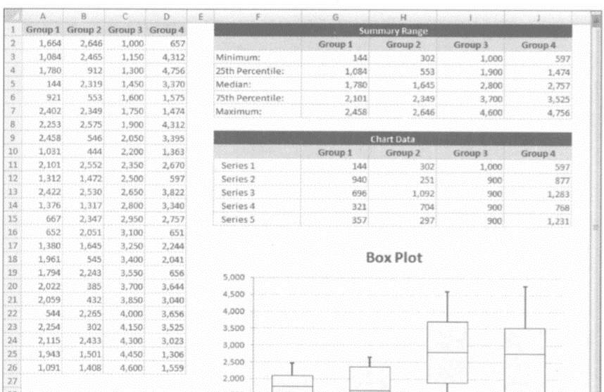
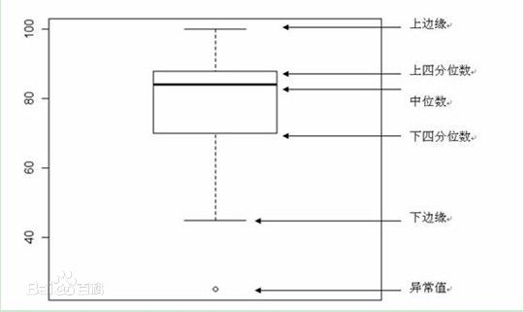
Times | Fair | Good | Very Good | Premium | Ideal | Series | Fair | Good | Very Good | Premium | Ideal
1 | 1808 | 3298 | 13691 | 2631 | 1746 | Series1 | 581 | 351 | 384 | 468 | 408
2 | 2287 | 891 | 12603 | 4586 | 828 | Series2 | 1426.5 | 568.5 | 629 | 525 | 451.5
3 | 3403 | 3148 | 1932 | 5519 | 2168 | Series3 | 1257.5 | 2153.5 | 1396 | 1870 | 894.5
4 | 2317 | 567 | 6834 | 8449 | 1061 | Series4 | 1772 | 2203.5 | 3477.5 | 3333 | 1989.5
5 | 729 | 11851 | 10202 | 3674 | 863 | Series5 | 13494 | 12625.5 | 12518.5 | 12545 | 13370.5
6 | 3205 | 3584 | 548 | 855 | 1607
7 | 584 | 1561 | 3113 | 8610 | 1859
8 | 10913 | 1554 | 2551 | 2572 | 2656
9 | 2458 | 490 | 4534 | 8602 | 552
10 | 2530 | 3949 | 872 | 731 | 1813
11 | 3658 | 816 | 700 | 4443 | 473
12 | 2550 | 11696 | 886 | 7862 | 2664
13 | 2458 | 2502 | 7079 | 4497 | 788
14 | 7727 | 784 | 757 | 1024 | 720
15 | 1749 | 1408 | 1566 | 1666 | 514
16 | 3538 | 8079 | 2905 | 7089 | 6264
17 | 6210 | 7430 | 3567 | 468 | 746
18 | 2318 | 522 | 2562 | 6048 | 1961
19 | 1709 | 3465 | 828 | 14844 | 851
20 | 2491 | 3848 | 4932 | 1349 | 1721
21 | 911 | 4114 | 8291 | 686 | 1179
22 | 2883 | 6421 | 3975 | 6713 | 867
23 | 1999 | 1643 | 5397 | 6121 | 6683
24 | 2368 | 1423 | 5236 | 10553 | 1001
25 | 1011 | 3303 | 6443 | 9271 | 3710
26 | 1367 | 6653 | 4234 | 7311 | 928
27 | 1274 | 12467 | 6763 | 17001 | 988
28 | 5633 | 7026 | 3967 | 990 | 1144
29 | 907 | 802 | 1988 | 9330 | 1916
30 | 3743 | 734 | 573 | 9541 | 2601
31 | 1114 | 596 | 544 | 4191 | 1300
32 | 2875 | 7392 | 8101 | 2930 | 862
33 | 4398 | 2863 | 561 | 5975 | 2161
34 | 2949 | 2614 | 6662 | 608 | 857
35 | 3205 | 4072 | 1107 | 798 | 558
36 | 1848 | 3655 | 1408 | 2352 | 582
37 | 1069 | 6104 | 646 | 2173 | 1792
38 | 4732 | 4242 | 920 | 10824 | 729
39 | 2401 | 9569 | 2055 | 5292 | 1720
40 | 2879 | 5588 | 3249 | 1040 | 5792
41 | 6503 | 2370 | 605 | 1026 | 816
42 | 5484 | 2218 | 3160 | 984 | 936
43 | 1410 | 3249 | 4588 | 990 | 3075
44 | 1720 | 1136 | 1031 | 4036 | 911
45 | 3812 | 591 | 489 | 854 | 11470
46 | 7928 | 7177 | 1940 | 11066 | 3257
47 | 6659 | 14285 | 696 | 4989 | 734
48 | 819 | 2327 | 3415 | 3949 | 5424
49 | 1127 | 7059 | 2254 | 1284 | 4372
50 | 1348 | 2606 | 1436 | 4641 | 5698
51 | 4381 | 5028 | 5625 | 4514 | 591
52 | 1012 | 969 | 17759 | 823 | 5373
53 | 907 | 462 | 2623 | 1814 | 3191
54 | 3689 | 13499 | 1017 | 13873 | 942
55 | 3332 | 957 | 1706 | 899 | 7811
56 | 8190 | 462 | 9498 | 4436 | 456
57 | 2493 | 4140 | 11406 | 2330 | 1056
58 | 4898 | 3801 | 666 | 15601 | 749
59 | 13744 | 2751 | 5408 | 848 | 798
60 | 4044 | 408 | 1179 | 561 | 672
61 | 1327 | 3061 | 13691 | 1196 | 4383
62 | 4263 | 15928 | 818 | 486 | 734
63 | 8674 | 1955 | 6019 | 4154 | 1754
64 | 1087 | 847 | 4130 | 14424 | 1838
65 | 2167 | 4204 | 11716 | 6541 | 7412
66 | 2491 | 6046 | 7113 | 16021 | 5763
67 | 10954 | 8313 | 1376 | 8527 | 838
68 | 3530 | 2591 | 505 | 625 | 952
69 | 3597 | 3990 | 873 | 4688 | 17114
70 | 4276 | 1786 | 4084 | 5483 | 5706
71 | 1974 | 773 | 2923 | 2889 | 2319
72 | 4256 | 6175 | 664 | 2040 | 3680
73 | 1808 | 4205 | 5871 | 798 | 408
74 | 4163 | 614 | 2337 | 540 | 590
75 | 2358 | 9129 | 552 | 4514 | 5006
76 | 5028 | 3750 | 5638 | 2012 | 919
77 | 3856 | 357 | 1436 | 1116 | 850
78 | 4227 | 4432 | 2074 | 18741 | 3297
79 | 17713 | 6288 | 716 | 10020 | 2183
80 | 7333 | 650 | 1987 | 5515 | 1140
81 | 5040 | 589 | 2368 | 1013 | 1176
82 | 1902 | 4914 | 18405 | 5166 | 3428
83 | 13744 | 707 | 1070 | 3553 | 1786
84 | 11128 | 4679 | 685 | 1050 | 2211
85 | 2326 | 1605 | 2959 | 828 | 2616
86 | 586 | 2604 | 10053 | 928 | 1781
87 | 1363 | 492 | 816 | 773 | 1389
88 | 1334 | 5621 | 15335 | 9126 | 767
89 | 5475 | 653 | 7343 | 8202 | 5188
90 | 12617 | 3669 | 2326 | 1238 | 14775
91 | 3117 | 2120 | 1654 | 608 | 4523
92 | 2982 | 1939 | 1767 | 1232 | 3056
93 | 10184 | 1554 | 7345 | 1105 | 2255
94 | 1637 | 4639 | 709 | 1574 | 625
95 | 2368 | 675 | 1896 | 13248 | 8299
96 | 3437 | 2953 | 2312 | 765 | 9900
97 | 12633 | 7214 | 873 | 2318 | 703
98 | 7258 | 5168 | 4689 | 10161 | 967
99 | 2811 | 4022 | 835 | 3475 | 2993
100 | 4864 | 4149 | 3432 | 1650 | 1707
101 | 3689 | 7177 | 8444 | 752 | 828
102 | 1715 | 3569 | 872 | 7213 | 1758
103 | 4704 | 683 | 2312 | 2727 | 629
104 | 10011 | 8741 | 1565 | 5123 | 673
105 | 3700 | 945 | 12207 | 792 | 3315
106 | 15540 | 963 | 1227 | 702 | 5176
107 | 4295 | 755 | 8797 | 8065 | 990
108 | 893 | 3073 | 552 | 4333 | 627
109 | 1050 | 3363 | 2652 | 2939 | 1956
110 | 1323 | 5252 | 530 | 9234 | 4284
111 | 6816 | 12754 | 7750 | 591 | 2652
112 | 3145 | 801 | 10476 | 951 | 802
113 | 4077 | 612 | 5107 | 7577 | 1079
114 | 2317 | 1573 | 1356 | 1415 | 2751
115 | 3622 | 489 | 1978 | 969 | 8034
116 | 1865 | 2468 | 2196 | 18115 | 16709
117 | 10623 | 12779 | 660 | 4657 | 702
118 | 2721 | 5345 | 719 | 2352 | 1276
119 | 3119 | 3649 | 4209 | 5620 | 1617
120 | 6597 | 698 | 2098 | 2045 | 4007
121 | 3265 | 1303 | 10279 | 5116 | 5199
122 | 2508 | 7197 | 4679 | 7665 | 422
123 | 2777 | 571 | 2098 | 574 | 3344
124 | 1564 | 4693 | 1243 | 770 | 452
125 | 1814 | 575 | 1977 | 4687 | 628
126 | 2092 | 4824 | 5612 | 3261 | 5154
127 | 3146 | 7643 | 882 | 945 | 5771
128 | 5771 | 12489 | 863 | 6988 | 1988
129 | 581 | 8190 | 3986 | 810 | 1015
130 | 1749 | 1909 | 8491 | 7963 | 706
131 | 6353 | 11577 | 419 | 743 | 2046
132 | 2304 | 2333 | 384 | 2905 | 4077
133 | 3780 | 754 | 5593 | 1925 | 1207
134 | 4307 | 2398 | 2074 | 1143 | 1169
135 | 3575 | 4510 | 1636 | 996 | 830
136 | 3500 | 373 | 7787 | 1225 | 5292
137 | 2093 | 4899 | 13134 | 7948 | 882
138 | 13442 | 858 | 947 | 723 | 8530
139 | 11128 | 945 | 1672 | 18598 | 4531
140 | 3564 | 3357 | 737 | 14790 | 5852
141 | 2016 | 4592 | 684 | 5751 | 1935
142 | 18531 | 4414 | 6311 | 5396 | 571
143 | 5034 | 842 | 10580 | 10501 | 6610
144 | 8818 | 526 | 1009 | 5154 | 566
145 | 5801 | 5642 | 1990 | 1169 | 432
146 | 3117 | 1312 | 1039 | 2607 | 2872
147 | 4145 | 878 | 2896 | 3016 | 1949
148 | 3375 | 2795 | 886 | 15217 | 603
149 | 3787 | 684 | 9727 | 574 | 3871
150 | 4145 | 6344 | 9694 | 1153 | 8778
151 | 6115 | 2187 | 3920 | 2648 | 687
152 | 2964 | 351 | 1580 | 3585 | 4030
153 | 2273 | 8387 | 608 | 2203 | 2715
154 | 2394 | 7207 | 5088 | 2863 | 9856
155 | 7934 | 8316 | 6665 | 855 | 8400
156 | 7918 | 1267 | 7438 | 1085 | 3409
157 | 4873 | 5301 | 18068 | 15110 | 8431
158 | 2241 | 1333 | 666 | 1755 | 3235
159 | 5292 | 8750 | 7989 | 1835 | 758
160 | 3282 | 3096 | 8069 | 743 | 1264
161 | 1641 | 4125 | 14740 | 4303 | 936
162 | 5622 | 1066 | 465 | 5055 | 3800
163 | 4147 | 8820 | 2409 | 4702 | 3674
164 | 5846 | 3965 | 1043 | 3194 | 1346
165 | 3205 | 5600 | 8172 | 576 | 1987
166 | 3461 | 687 | 524 | 720 | 791
167 | 2384 | 4210 | 4098 | 2206 | 4150
168 | 2438 | 1138 | 565 | 7187 | 1648
169 | 13007 | 4523 | 3569 | 8842 | 10197
170 | 3011 | 2190 | 4321 | 2588 | 8279
171 | 4118 | 591 | 608 | 2273 | 502
172 | 5062 | 1246 | 5902 | 844 | 2852
173 | 1832 | 4197 | 2834 | 2633 | 3249
174 | 2815 | 4882 | 17184 | 1046 | 1003
175 | 2940 | 571 | 3699 | 6743 | 893
176 | 3733 | 17902 | 4193 | 812 | 783
177 | 833 | 894 | 780 | 5324 | 1143
178 | 1227 | 14148 | 1828 | 6066 | 1080
179 | 829 | 7233 | 2558 | 851 | 1367
180 | 6817 | 771 | 680 | 644 | 8036
181 | 10954 | 452 | 2728 | 8866 | 1052
182 | 4551 | 472 | 652 | 698 | 827
183 | 1286 | 749 | 14749 | 1011 | 14584
184 | 3816 | 2344 | 6419 | 665 | 3401
185 | 1040 | 4312 | 9336 | 645 | 1359
186 | 3787 | 1001 | 12736 | 666 | 10145
187 | 5255 | 4480 | 3418 | 13606 | 900
188 | 673 | 3741 | 2016 | 3769 | 1187
189 | 1641 | 687 | 3360 | 941 | 4088
190 | 3142 | 8013 | 9609 | 2720 | 4452
191 | 2358 | 8245 | 1636 | 7192 | 814
192 | 1577 | 461 | 7945 | 2454 | 730
193 | 7832 | 1268 | 449 | 612 | 1915
194 | 6397 | 5743 | 1605 | 1760 | 1446
195 | 6727 | 462 | 2003 | 10669 | 1161
196 | 4656 | 7022 | 2294 | 8919 | 3283
197 | 8716 | 1710 | 4543 | 5055 | 3542
198 | 8794 | 1657 | 5245 | 4197 | 3777
 | Group0 | Fair | Good | Very Good | Premium | Ideal
Fair |  | 581 | 1426.5 | 1257.5 | 1772 | 408
Good |  | 351 | 568.5 | 2153.5 | 2203.5 | 451.5
Very Good |  | 384 | 629 | 1396 | 3477.5 | 894.5
Premium |  | 468 | 525 | 1870 | 3333 | 1989.5
199 | 1814 | 4606 | 2086 | 6271 | 1443

 | Group1 | Group2 | Group3 | Group4 | Group5
Minimum | 581 | 351 | 384 | 468 | 408
25th Percentile | 2007.5 | 919.5 | 1013 | 993 | 859.5
Median | 3265 | 3073 | 2409 | 2863 | 1754
75th Percentile | 5037 | 5276.5 | 5886.5 | 6196 | 3743.5
Maximum | 18531 | 17902 | 18405 | 18741 | 17114

Series1 | 581 | 351 | 384 | 468 | 408
Series2 | 1426.5 | 568.5 | 629 | 525 | 451.5
Series3 | 1257.5 | 2153.5 | 1396 | 1870 | 894.5
Series4 | 1772 | 2203.5 | 3477.5 | 3333 | 1989.5
Series5 | 13494 | 12625.5 | 12518.5 | 12545 | 13370.5

图1-3-9 经典商业图表配色
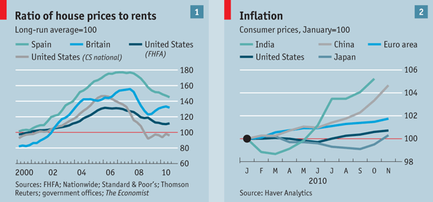
表1-3-9 经典商业杂志部分配色方案的RGB值

华尔街日报 | The Wall Street Journal |  |  |  |  | 背景色 1 |  | 背景色 2
RGB | RGB | 6,102,177 | 237,27,58 | 0,173,79 | 254,220,25 |  | 236,241,249 |  | 216,223,241 | 236,241,249
商业周刊 | Business Week 1 |  |  |  |  |  |  | 背景色
RGB | RGB | 0,174,247 | 231,31,38 | 0,166,82 | 240,133,39 | 227,13,132 | 206,219,41 |  | 255,255,255
商业周刊 | Business Week 2 |  |  |  |  |  | 背景色 1 |  |  | 背景色 2
RGB | RGB | 0,56,115 | 247,0,0 | 41,168,220 | 231,31,38 | 78,184,72 |  | 200,215,219 | 224,234,237 |  | 215,215,215 | 231,231,231
经济学人 | The Economist |  |  |  |  |  |  |  | 背景色 1 |  | 背景色 2
RGB | RGB | 8,189,255 | 0,164,220 | 0,81,108 | 93,145,167 | 240,89,62 | 122,37,15 | 0,137,130 |  | 205,221,230 |  | 255,255,255

图1-3-10_1
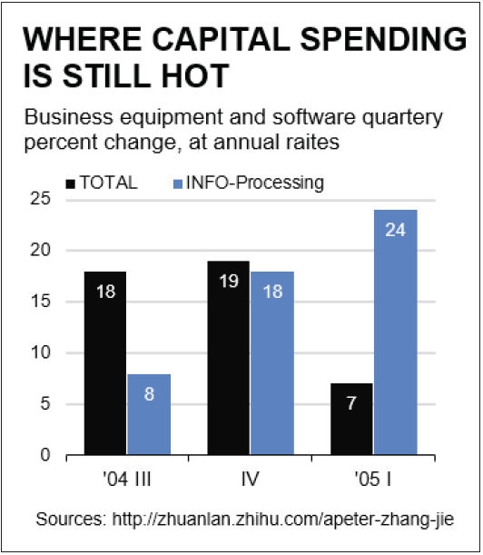
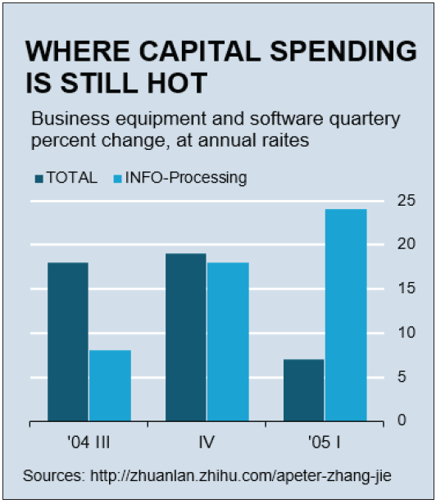
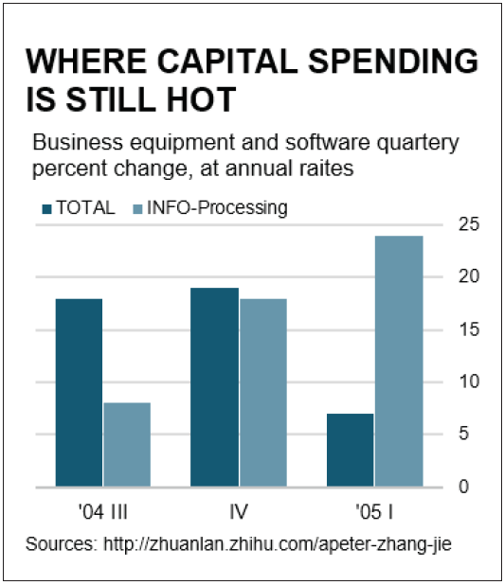
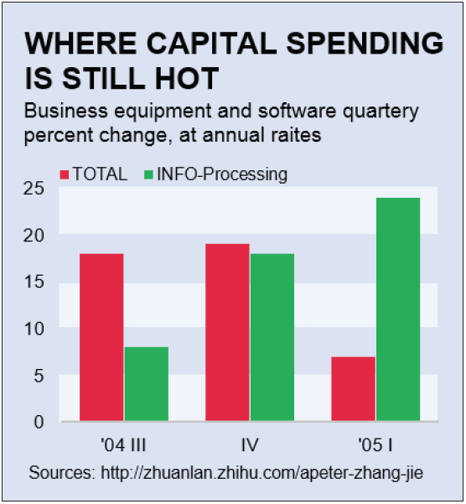
 | TOTAL | INFO-Processing
'04 III | 18 | 8
IV | 19 | 18
'05 I | 7 | 24

图1-3-10_2
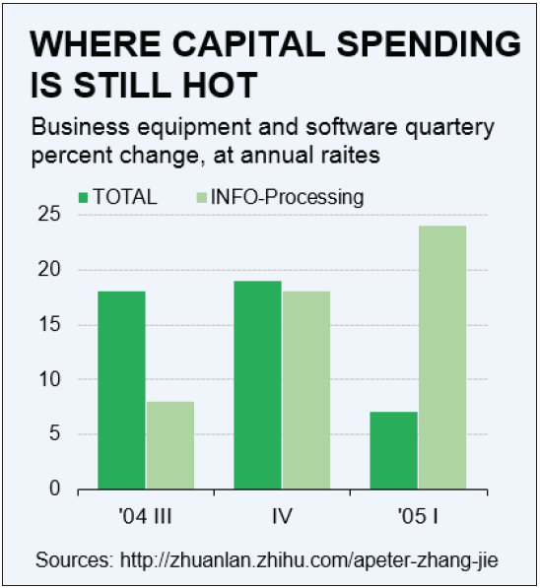
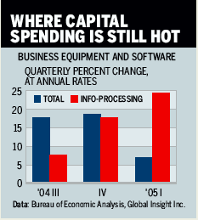
 | TOTAL | INFO-Processing
'04 III | 18 | 8
IV | 19 | 18
'05 I | 7 | 24

